cross-species datasets
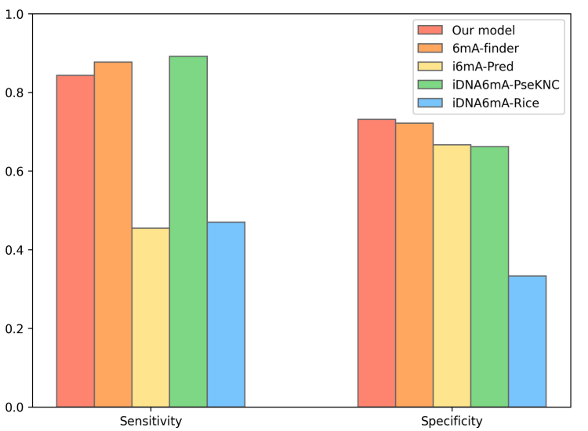
cross-species dataset
Source paper | Deep transformers and convolutional neural network in identifying DNA N6-methyladenine sites in cross-species genomes
Download link | bert-dna/data at master · khanhlee/bert-dna (github.com)
Organism | cross-species
Level | DNA
Length | 41 bp
Positive data | 2768
Negative data | 2716
DL paper used this data | P9 | Deep transformers and convolutional neural network in identifying DNA N6-methyladenine sites in cross-species genomes | 2021-12-13 | P9

